Pge 1 Program Expenses (2)
COUNTRY: TRAVEL PERIOD |  |  | `
Reciept # | Date | Item | US Dollar Amount Charged | Foreign Currency Amounts | Exchange Rate Charged | Convert to US Dollars | TOTAL US Dollars | How Exchange Rate Determined (Daily Oanda, CC receipt rate, CC statement rate) | https://www1.oanda.com/currency/converter/
1 | 2019-05-17 | SAMPLE EXPENSE |  | € 55.00 | 1.11932 | $61.56 | $61.56 | OANDA
2 |  |  |  |  |  | $- | $0.00
3 |  |  |  |  |  | $- | $0.00 |  | IN OANDA, Enter in DATE:
4 |  |  |  |  |  | $- | $0.00
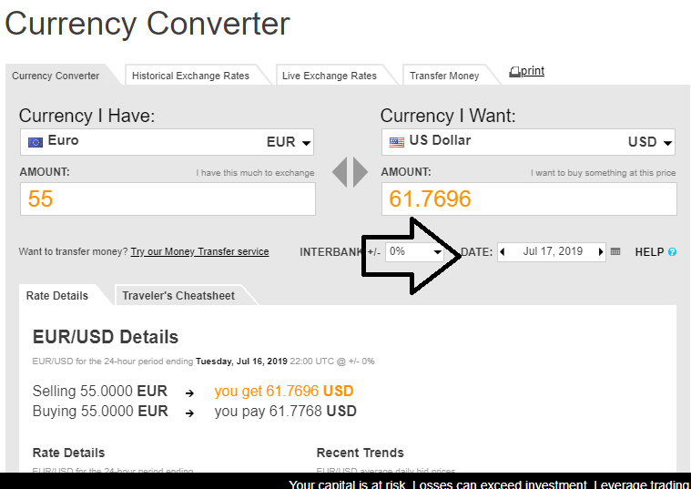
5 |  |  |  |  |  | $- | $0.00
6 |  |  |  |  |  | $- | $0.00
7 |  |  |  |  |  | $- | $0.00
8 |  |  |  |  |  | $- | $0.00
9 |  |  |  |  |  | $- | $0.00
10 |  |  |  |  |  | $- | $0.00
11 |  |  |  |  |  | $- | $0.00
12 |  |  |  |  |  | $- | $0.00
13 |  |  |  |  |  | $- | $0.00
14 |  |  |  |  |  | $- | $0.00
15 |  |  |  |  |  | $- | $0.00
16 |  |  |  |  |  | $- | $0.00
17 |  |  |  |  |  | $- | $0.00
18 |  |  |  |  |  | $- | $0.00
19 |  |  |  |  |  | $- | $0.00
20 |  |  |  |  |  | $- | $0.00
21 |  |  |  |  |  | $- | $0.00
22 |  |  |  |  |  | $- | $0.00
23 |  |  |  |  |  | $- | $0.00
24 |  |  |  |  |  | $- | $0.00
25 |  |  |  |  |  | $- | $0.00
 |  | Page totals |  |  |  |  | $61.56

